Sheet1
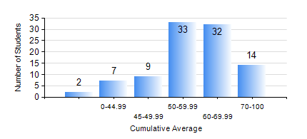
 |  |  | KWAME NKRUMAH UNIVERSITY OF SCIENCE AND TECHNOLOGY, KUMASI Department of Materials Engineering

 |  |  | BSC. MATERIALS ENG.

 |  |  | COMPREHENSIVE RECORD OF EXAMINATION RESULTS

 |  |  | RESULTS OF YEAR 1 SECOND SEMESTER, 2023/2024 ACADEMIC YEAR

 | Sn | Course Code |  | Course Name | Credit Hours | Min. Mark | Max. Mark | Avg. Mark | Std. Dev. | No. Passed | No. Trailed | No. (Df) | No. (I) | No. (I*) | No. Tagged(I,I*,Df) | Total
 | 0. |  |  |  |  |  |  | 0 | 0 | 0 | 0 | 0 | 0 | 0 | 0 | 2
 | 1. | EE 152 |  | BASIC ELECTRONICS | 2 | 24 | 82 | 51 | 11.75 | 80 | 14 | 0 | 1 | 0 | 1 | 95
 | 2. | ENGL 158 |  | COMMUNICATION SKILLS II | 2 | 28 | 91 | 69 | 12.57 | 94 | 1 | 0 | 0 | 0 | 0 | 95
 | 3. | MATH 152 |  | CALCULUS WITH ANALYSIS | 4 | 21 | 81 | 51 | 11.79 | 88 | 7 | 0 | 0 | 0 | 0 | 95
 | 4. | ME 160 |  | ENGINEERING DRAWING | 2 | 14 | 84 | 59 | 12.86 | 92 | 3 | 0 | 0 | 0 | 0 | 95
 | 5. | ME 162 |  | BASIC MECHANICS | 3 | 28 | 82 | 54 | 11.84 | 94 | 1 | 0 | 0 | 0 | 0 | 95
 | 6. | MSE 152 |  | KINETICS OF CHEMICAL REACTIONS | 2 | 32 | 88 | 60 | 12.33 | 94 | 1 | 0 | 0 | 0 | 0 | 95
 | 7. | MSE 154 |  | PRINCIPLES OF MATERIALS SCIENCE | 2 | 13 | 97 | 56 | 19.08 | 84 | 10 | 0 | 1 | 0 | 1 | 95

